Dashboard
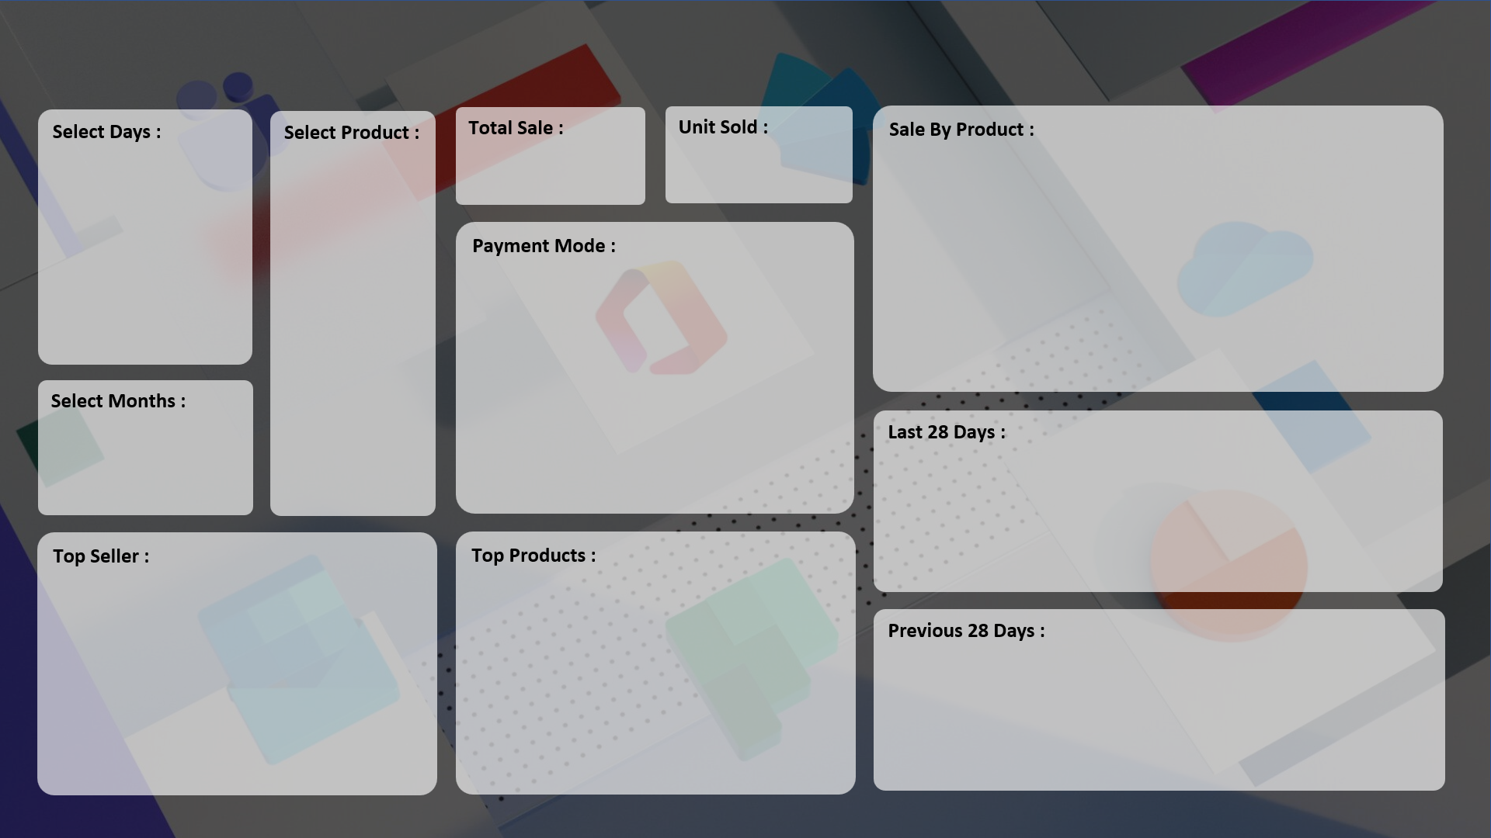
SALE PERFORMANCE DASHBOARD 2022

₹ 4,500
3
 | Total
HDD 256 GB | 3

 | Total
Online | 3

 | Total
Grand Total

 | Total
RG Store | 3
 | Total
HDD 256 GB | 3
Monitor | 3
Printer | 5
Scanner | 3

 | Total
Grand Total

